Set-up
STEP-BY-STEP INSTRUCTIONS | Note: only yellow fields need to be completed
STEP 1: Change Date in Cell D2 On the first day of a new month, also change days in month (C4:F4:) and month heading(C5:F5) |  | Date: | 2025-01-23
STEP 2: Copy "Today" figures in yellow color into "Yesterday" in yellow color
STEP 3: Pull report 14.008 SFA History and Forecast for each of the 4 months (current + 3) - see below | Days in month | 31 | 28 | 31 | 30
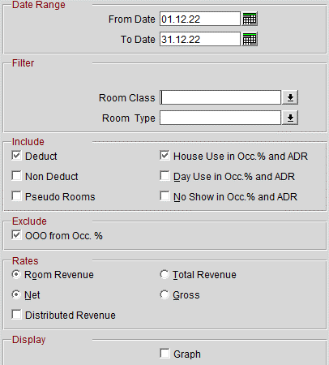
 | Today | January | February | March | April
 | Total Occ. | 3,567 | 2,322 | 1,847 | 1,107
 | Total Occ. - "Total comp+HU" | 3567 | 2322 | 1847 | 1107
 | Room Revenue | 761,603 | 436,667 | 416,396 | 193,886
 | ADR | € 213.51 | € 188.06 | € 225.44 | € 175.15
 | OOO Rooms | 179 | 112 | 124 | 120
 | COMP rooms | 23 | 16 | 14 | 1
 | House Use Rooms | 1 | 0 | 0 | 0
 | Total comp+HU ROOMS
 |  | To be copied from "Today"
 | Yesterday | January | Febuary | March | April
 | Total Occ. | 3,533 | 2,271 | 1,865 | 1,120
 | Total Occ. - "Total comp+HU" | 3533 | 2271 | 1865 | 1120
 | Room Revenue | 750,313 | 430,263 | 422,884 | 198,266
 | ADR | € 212.37 | € 189.46 | € 226.75 | € 177.02
 | OOO Rooms | 179 | 112 | 124 | 120
 | COMP rooms | 22 | 15 | 14 | 1
 | House Use Rooms | 1 | 0 | 0 | 0
 | Total comp+HU ROOMS

STEP 4: Take the Total figures (last line) from the report 14.008 for each month: - "Total Occ." --> enter in the corresponding month in line 6 - "Room Revenue" --> enter in the corresponding month in line 8 - "OOO Rooms" --> enter in the corresponding month in line 10 -"Comp Rooms" --> enter in the corresponding month in line 11 -"House Use Rooms" --> enter in the corresponding month in line 12

STEP 5: Pull report 26.011 MGR FLash(no changes to set-up, just click "Preview") | Manager Flash
STEP 6: Take the figures for "DAY" - Rooms Occupied --> enter in C28 - Room Revenue --> enter in C29 - Out of Order Rooms --> C30 | Rooms Occupied | 107
 | Room Revenue | 23,570
 | Out of Order Rooms | 5

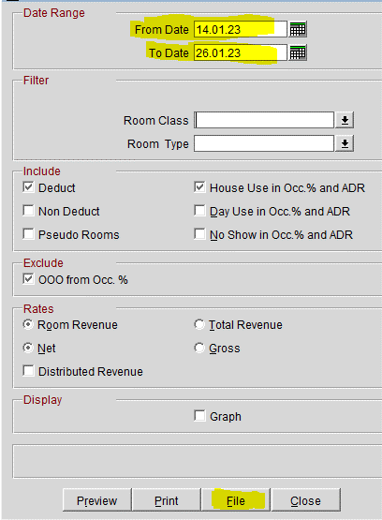
STEP 7: Pull report 14.008 SFA History and Forecast (The one in yellow) - Click on "File Format : "Delimited : Data" / Delimiter "Tab" - From Date: Today Business date - To Date: Today + 12 days - Click on "File"
€ 0.00

- Go to Manager Night Bible page 22 and follow the Steps
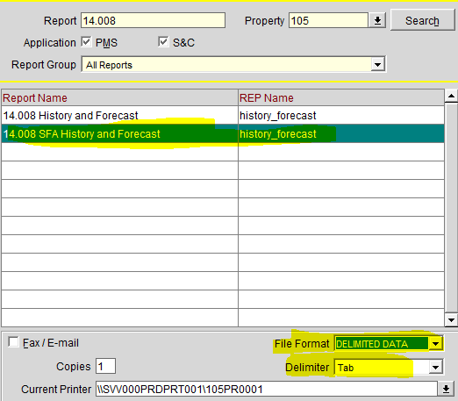

STEP 8: - Go to Manager Night Bible page 24 and follow the Steps in order to complete STR Data
 | STR Global | RGI MTD | -
 |  | RGI %-Change | -
 |  | Ranking | -

 | H-reward | Day | MTD

STEP 9: This part will be updated from accounting department |  | January | February | March
 | Budget | 160,917.00 € | 275,488.00 € | 460,381.00 €
 | Forecast | 160,917.00 € | 275,488.00 € | 546,797.55 €
 | OTB last week
 | OTB
 | Pick-up versus last week

STEP 10: Complete the VIPs and Groups | VIP Arrivals | Room N° | VIP Level
Use report 15.023b / Department : GM | Wistrom,Jonas | 306 | CEO of Ratos | 2025-01-26
Include only "Reserved" and click "Preview" → VIP Arrivals | Dassault,Laurent | 310 | French businessman | 2025-01-23
VIP in house : "Copy + Paste" the Vip Arrivals of yesterday and verify that | Bakker,Miel Alexander,Mr Prof. | 343 | Regular guest | 2025-01-23
 | CAMPHUIS,Armand,M. | 403 | Critique d’art I Curateur · CAMPHUIS.ART + long stayer
 | Engineer,Milan | 406 | FHR
 | Brandt Ofverholm,Erik | 421 | Guest of the day - booking
 | Simonsen,Morten,MR | 430 | Managing Director and Head of Distribution for Northern Europe
 | Querel,Gregory | 512 | Guest of the day - booking
 | Mukendi Kalambayi,Edouard | 532 | Guest of the day - booking
the room number is the same if not update it | Gorteman,Denis,M. | 538 | CEO d'Ieteren Auto + regular guest
 | Schuster,Axel | 540 | Half board menu - 3 course dinner at Loui Bar
 | Malanda Miyila,Francois,M. | 601 | long stayer
VIP departures: Check the departure day of Vip Arrivals of yesterday + Vip In House | Codognotto,Clara | 619 | VIP - as per Jeanne MKT
 | Calarco,Tommaso,Herr |  | Director, Institute for Quantum Control PGI-8

 | VIP In House | Room N° | VIP Level
 | Baruti,Mwayuma,Mme | 501 | long stayer | 25.01.25
 | Heineking,Lutz,Mr | 352 | Film producer | 25.01.25
 | Abrantes Dos Santos,Lucia,Mrs | 519 | regular guest - VIP | 30.01.25
 | Abrantes Dos Santos,Lucia,Mrs | 519 | Director of the Macau Economic and Trade Delegation in Lisbon | 30.01.25

 | DE BRYAS,Salome,Mme | 335 | Director of Sales - Impressionist and Modern Art · HELENE BAILLY + long stayer | 02.02.25
 | Vrouchos,Nikolaos | 531 | Guest of the day - Booking | 25.01.25
 | Burki,Daphé,Mme | 602 | French television presenter | 25.01.25
 | BAILLY,HELENE,Mme | 617 | Fondatrice de la galerie d'art Helene Bailly + Long stayer | 02.02.25
 | Mankwaka,Alicia | 338 | Guest of the day - booking | 26.01.25

 | VIP Departures | Room N° | VIP Level
 | Desir,Rony | 102 | Executive Director · Goldman Sachs
 | Goulart,Daiane | 421 | Guest of the day - booking
 | Nadi,Lamia | 438 | Guest of the day - booking
 | Bardera Baldrich,Jose Maria,Mr | 554 | Half board Menu - 3 course dinner

STEP 11: | Groups / Events | Participants | Meeting Rooms | Contact Person
Use report "Event List Detailed" /"Date Range" same business date/"Event status" | Flossbach von Storch | 29 | Bellevue A + Bellevue B Corridor Bellevue Corridor Bellevue Corridor Bellevue | Yannick Nelissen Grade
select only DEF | Sigefi ETI VI | 52 | Gallery C Ballroom C Boudoir | Mathilde de Vergnette
 | Singapore Airlines Ltd. | 16 | Stephanie | Jeroen Desaer
 | Syensqo S.A | 3 | Antichambre | Pascale Feickens

 | DO NOT USE | DO NOT USE | DO NOT USE | DO NOT USE
 | DO NOT USE | DO NOT USE | DO NOT USE | DO NOT USE

STEP 12: Press on F5 in Opera and do a rate query day by day for the next 12 days. | 23/01/2025 | € 269
Take the AX price (excl tax) | 24/01/2025 | € 263
 | 25/01/2025 | € 267
 | 26/01/2025 | € 260
 | 27/01/2025 | € 286
 | 28/01/2025 | € 291
 | 29/01/2025 | € 290
 | 30/01/2025 | € 269
 | 31/01/2025 | € 256
 | 01/02/2025 | € 239
 | 02/02/2025 | € 239
 | 03/02/2025 | € 269
 | 04/02/2025 | € 269

STEP 13: Every Sunday - Look up the Duty Managers of the day (COMMON-DUTY-Duty Planning 2023)

STEP 14: Send to the distribution list! "dor" Attach also the DMs

